Sortino_Ratio
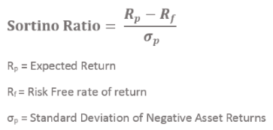
Date | Adj Close | Monthly Returns | Excess Return | Negative Excess Return
2021-04-01 | 74.550003
2021-05-01 | 93.769997 | 25.78% | 25.78% | 0.00%
2021-06-01 | 89.980003 | -4.04% | -4.04% | -4.04%
2021-07-01 | 76.980003 | -14.45% | -14.45% | -14.45%
2021-08-01 | 82.050003 | 6.59% | 6.59% | 0.00%
2021-09-01 | 75.550003 | -7.92% | -7.92% | -7.92%
2021-10-01 | 84.019997 | 11.21% | 11.21% | 0.00%
2021-11-01 | 126.099998 | 50.08% | 50.08% | 0.00%
2021-12-01 | 103.160004 | -18.19% | -18.19% | -18.19%
2022-01-01 | 65.860001 | -36.16% | -36.16% | -36.16%
2022-02-01 | 51.57 | -21.70% | -21.70% | -21.70%
2022-03-01 | 46.240002 | -10.34% | -10.34% | -10.34%
2022-04-01 | 30.65 | -33.72% | -33.72% | -33.72%
2022-05-01 | 29.940001 | -2.32% | -2.32% | -2.32%
2022-06-01 | 32.860001 | 9.75% | 9.75% | 0.00%
2022-07-01 | 42.93 | 30.65% | 30.65% | 0.00%
2022-08-01 | 39.110001 | -8.90% | -8.90% | -8.90%
2022-09-01 | 35.84 | -8.36% | -8.36% | -8.36%
2022-10-01 | 44.740002 | 24.83% | 24.83% | 0.00%
2022-11-01 | 31.77 | -28.99% | -28.99% | -28.99%
2022-12-01 | 28.459999 | -10.42% | -10.42% | -10.42%
2023-01-01 | 33.41 | 17.39% | 17.39% | 0.00%

Target Return | 0.00%
Downside deviation | 0.15029922836
Average excess return | -1.391%
Sortino Ratio | -0.092539001988

